Report
 | Summary of StackInfo Executed Test Cases

Test Type | Component | Number of test cases that fail | Number of test cases that pass | Number of test cases executed | Pass percentage | Fail percentage
Manual Testing | Filter, Search, and Feedback | 19 | 35 | 54 | 0.6481481481 | 0.3518518519

Automation Testing | Filter | 13 | 48 | 61 | 0.7868852459 | 0.2131147541

Total |  | 32 | 83 | 115 | 0.7217391304 | 0.2782608696
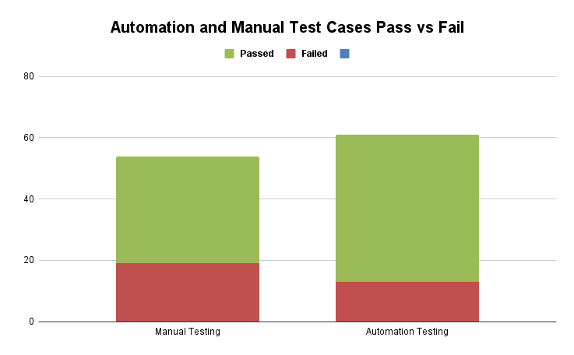

 | Manual Test Cases Summary

Test Type | Component | Number of test cases executed | Number of test cases that fail | Number of test cases that pass | Pass percentage | Fail percentage | Comments
Manual Testing | Filter | 31 | 10 | 21 | 0.6774193548 | 0.3225806452 | Tests applied to the filter and search components indicate that they do not behave in the same way. This suggests that these two components do not retrieve the same companies. For example, please compare the results of the following test cases: TC-filter-71 and TC_search_18
 | Search | 18 | 6 | 12 | 0.6666666667 | 0.3333333333
 | Feedback | 5 | 3 | 2 | 0.4 | 0.6
Total |  | 54 | 19 | 35

Manual Test Cases Pass vs Fail

 | Automation Test Cases Summary

Test Type | Component | Number of test cases executed | Number of test cases that fail | Number of test cases that pass | Pass percentage | Fail percentage | Comments
Automation Testing | Filter | 61 | 13 | 48 | 0.7868852459 | 0.2131147541
Total |  | 61 | 13 | 48 | 0.7868852459 | 0.2131147541

Automation Test Cases Pass vs Fail

